Overview of Collections
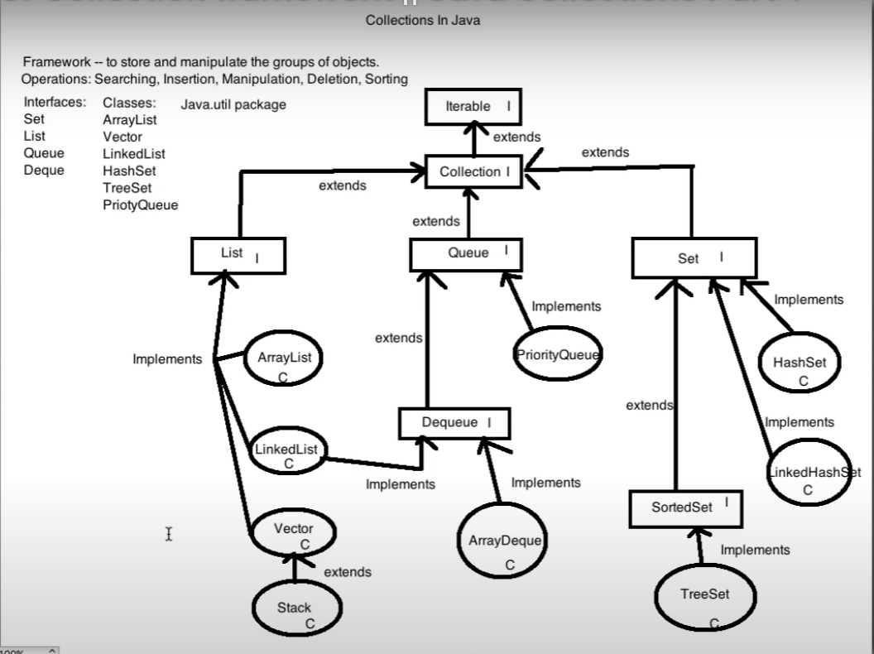

Map Interface
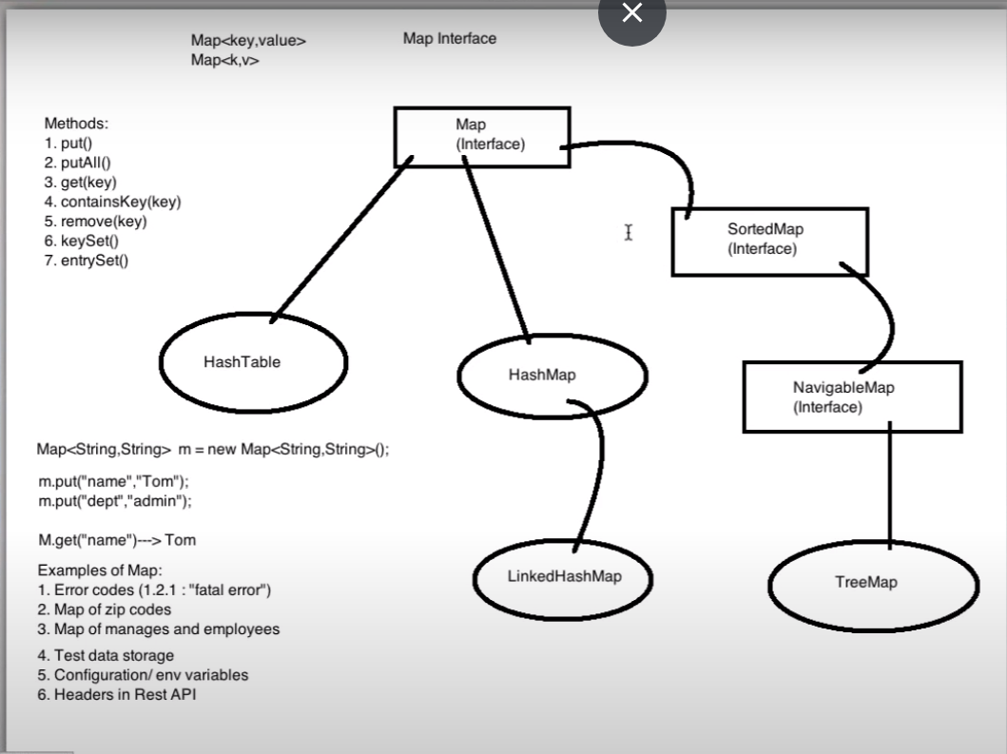

ArrayList
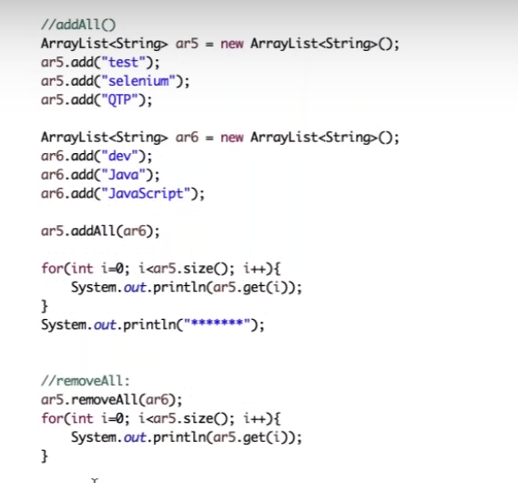
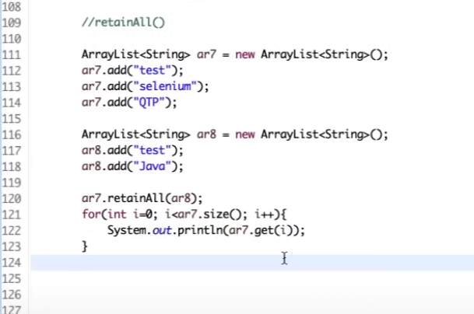
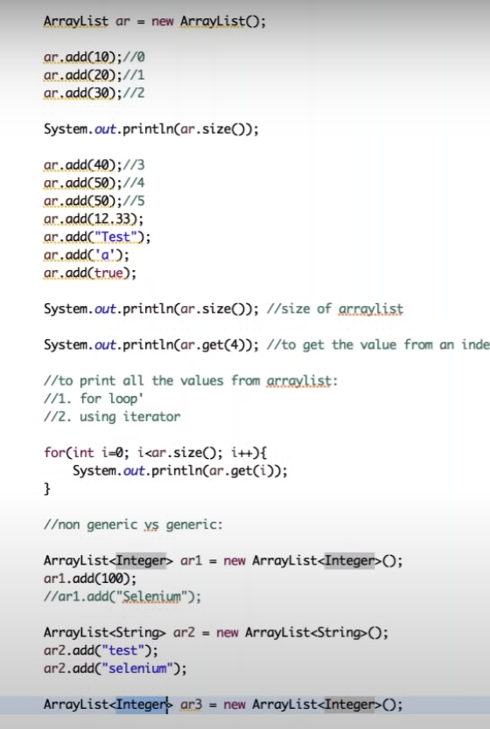

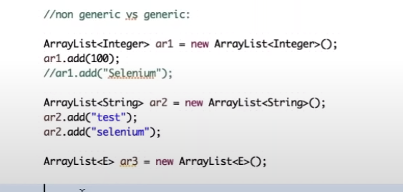

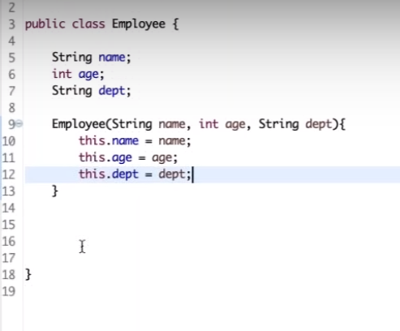

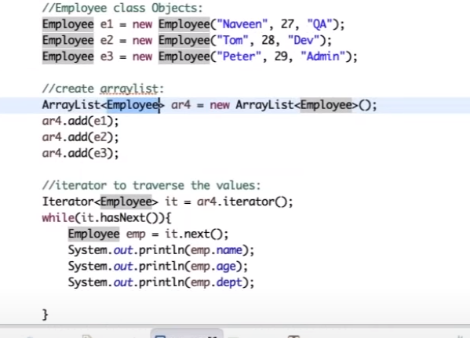

addAll() | Add all the values from one array list to another array list
removeAll() | Removes all the values of one arraylist from another array list
retainAll() | Keeps only the common values present in the both array lists

LinkedList
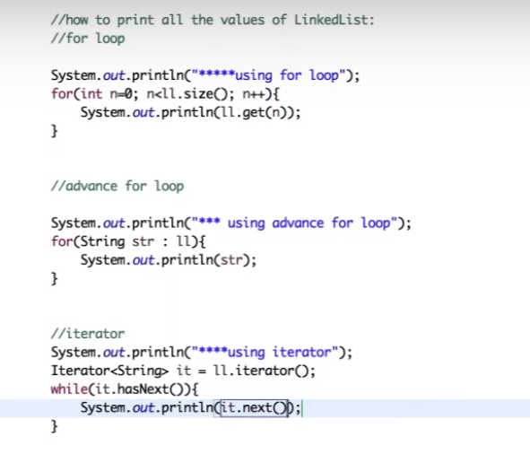
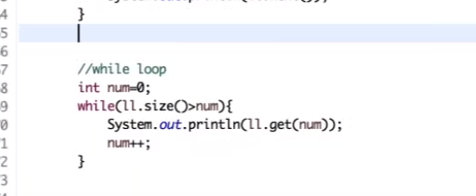
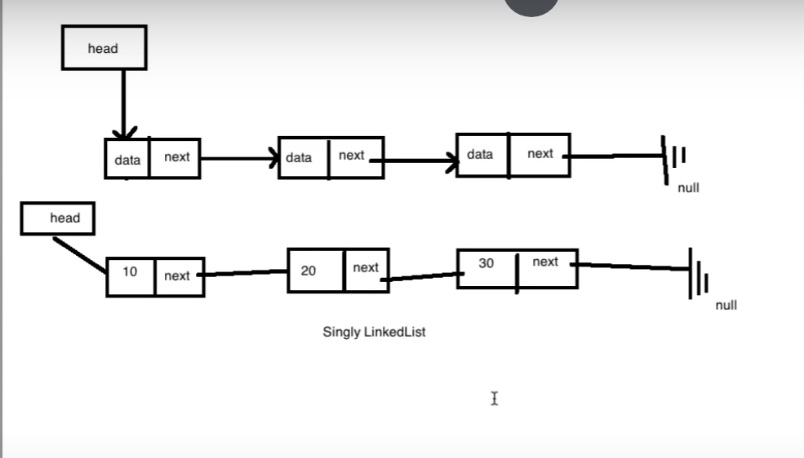

.add() | To add an element to LL
.addFirst() | To add an element at the beginning
.addLast() | To add an element at the end
.get(index) | To get an element from the LL
.set(index, value) | To set an elemtnt at a particular index
.removeFirst() | To remove first element
.removeLast() | To remove the last element
.remove(index) | To remove at a particular index
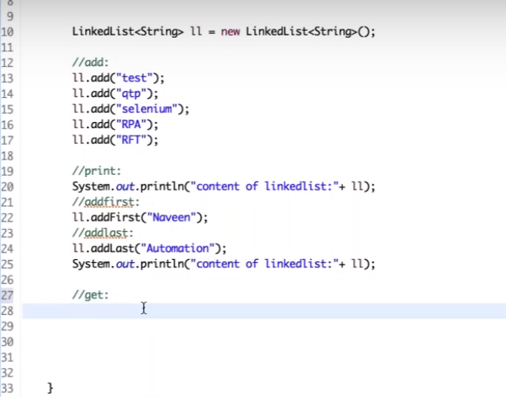

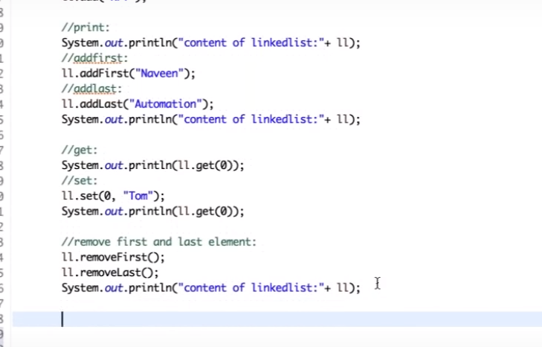

Printing the LL in various ways

